Part 3
Part 3 of 4

Normalize the following data to 3NF.
1. Modify the data tables
2. Add sample records.
3. Create an ER diagram of the relations between tables.

Notes
· Include each of the tables you would need to represent all of the data listed below.
· Indicate a primary key field for each table.
· Do add field(s) as and if needed to create a primary key or as and if needed to provide needed information.
· Do indicate the relationship between tables by indicating the FKs.
· Do eliminate field(s) that are unnecessary.
· If your modification includes adding a field or a table, do not leave it blank - all fields and tables must contain complete data.
· Analyze the relations between tables and create an ER diagram with PKs, FKs, and joins that represents these relationships. Include the diagram on this tab.
· Include the ER diagram on this tab.

Data BEFORE normalization
Season | Crop family planted in GardenBed1 (Location: NW corner of field) | Crop family planted in GardenBed2 (Location: NE corner of field) | Crop family planted in GardenBed3 (Location: SW corner of field) | Crop family planted in GardenBed4 (Location: SE corner of field)

Spring 2014 | Legume | Leaf | Roots | Fruit
Spring 2015 | Fruit | Legume | Leaf
Spring 2016 | Roots |  | Legume | Leaf

ER DIAGRAM |  |  |  | NORMALIZED DATA

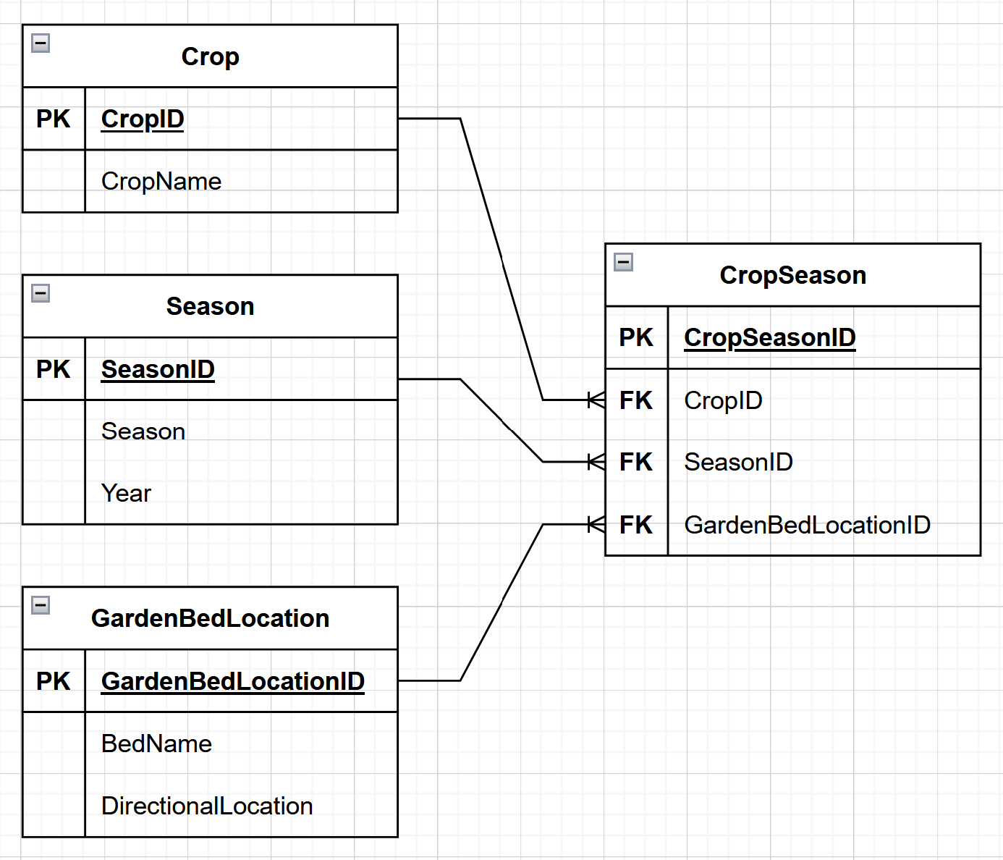
 |  |  |  | Crop
 |  |  |  | CropID | CropName
 |  |  |  | PK
 |  |  |  | 1 | Legume
 |  |  |  | 2 | Fruit
 |  |  |  | 3 | Roots
 |  |  |  | 4 | Leaf

 |  |  |  | CropSeason
 |  |  |  | CropSeasonID | CropID | SeasonID | GardenBedLocationID
 |  |  |  | PK | FK | FK | FK
 |  |  |  | 1010 | 1 | 20 | 102
 |  |  |  | 2020 | 4 | 20 | 101
 |  |  |  | 3030 | 3 | 20 | 104
 |  |  |  | 4040 | 2 | 20 | 103
 |  |  |  | 5050 | 2 | 30 | 102
 |  |  |  | 6060 | 1 | 30 | 101
 |  |  |  | 7070 | 4 | 30 | 104
 |  |  |  | 8080 | 3 | 40 | 102
 |  |  |  | 9090 | 1 | 40 | 104
 |  |  |  | 1111 | 4 | 40 | 103

 |  |  |  | Season
 |  |  |  | SeasonID | Season | Year
 |  |  |  | PK
 |  |  |  | 20 | Spring | 2014
 |  |  |  | 30 | Spring | 2015
 |  |  |  | 40 | Spring | 2016

 |  |  |  | GardenBedLocation
 |  |  |  | GardenBedLocationID | BedName | DirectionalLocation
 |  |  |  | PK
 |  |  |  | 101 | GardenBed2 | NE
 |  |  |  | 102 | GardenBed1 | NW
 |  |  |  | 103 | GardenBed4 | SE
 |  |  |  | 104 | GardenBed3 | SW

Part 4
Part 4 of 4

Normalize the following data to 3NF.
1. Modify the data tables
2. Add sample records.
3. Create an ER diagram of the relations between tables.

Notes
· Include each of the tables you would need to represent all of the data listed below.
· Indicate a primary key field for each table.
· Do add field(s) as and if needed to create a primary key or as and if needed to provide needed information.
· Do indicate the relationship between tables by indicating the FKs.
· Do eliminate field(s) that are unnecessary.
· If your modification includes adding a field or a table, do not leave it blank - all fields and tables must contain complete data.
· Analyze the relations between tables and create an ER diagram with PKs, FKs, and joins that represents these relationships. Include the diagram on this tab.
· Include the ER diagram on this tab.

Data BEFORE normalization
ContactID | FirstName | LastName | DayPhone | MobilePhone | EveningPhone

1 | Jin | Peters | (206) 222-1234 | (206) 222-1235
2 | Larry | Jones | (206) 222-1235 | (206) 222-1236 | (425) 499-8909
3 | Marta | Foye | (425) 564-9876
4 | Ann | Harris | (425) 564-9877 | (425) 564-9878
5 | Sam | Wu | (425) 564-9878

ER DIAGRAM |  |  |  |  |  | NORMALIZED DATA

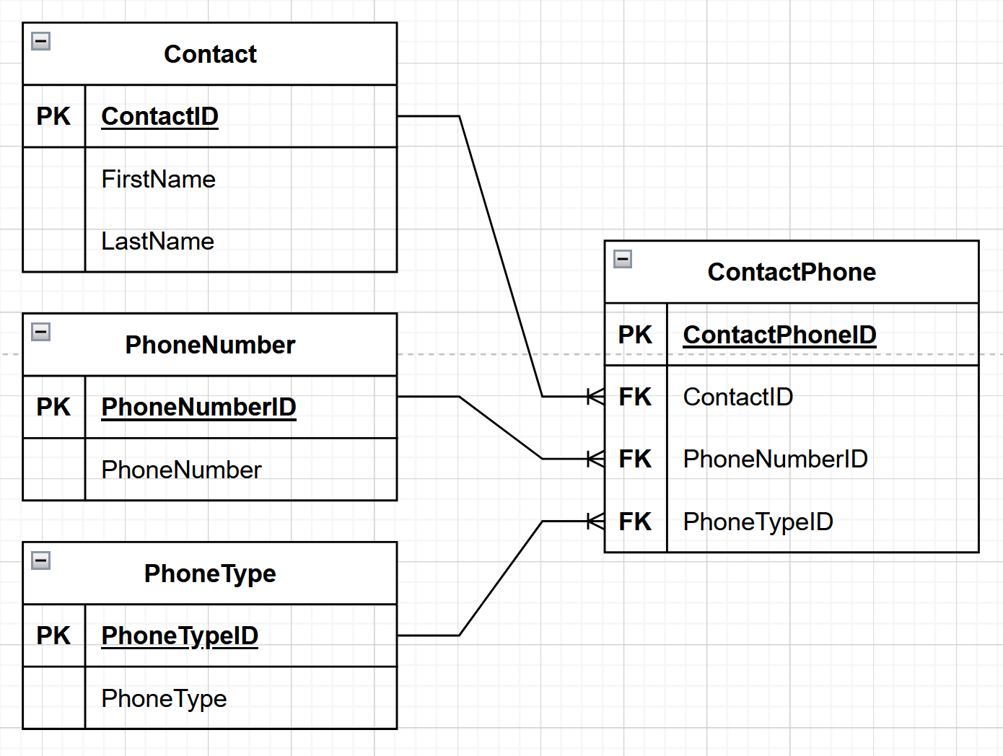
 |  |  |  |  |  | Contact
 |  |  |  |  |  | ContactID | FirstName | LastName
 |  |  |  |  |  | PK
 |  |  |  |  |  | 11 | Jin | Peters
 |  |  |  |  |  | 22 | Larry | Jones
 |  |  |  |  |  | 33 | Marta | Foye
 |  |  |  |  |  | 44 | Ann | Harris
 |  |  |  |  |  | 55 | Sam | Wu

 |  |  |  |  |  | ContactPhone
 |  |  |  |  |  | ContactPhoneID | ContactID | PhoneNumberID | PhoneTypeID
 |  |  |  |  |  | PK | FK | FK | FK
 |  |  |  |  |  | 101 | 11 | 1111 | 1
 |  |  |  |  |  | 102 | 11 | 2222 | 2
 |  |  |  |  |  | 103 | 22 | 2222 | 1
 |  |  |  |  |  | 104 | 22 | 3333 | 2
 |  |  |  |  |  | 105 | 22 | 4444 | 3
 |  |  |  |  |  | 106 | 33 | 5555 | 1
 |  |  |  |  |  | 107 | 44 | 6666 | 1
 |  |  |  |  |  | 108 | 44 | 7777 | 2
 |  |  |  |  |  | 109 | 55 | 7777 | 1

 |  |  |  |  |  | PhoneNumber
 |  |  |  |  |  | PhoneNumberID | PhoneNumber
 |  |  |  |  |  | PK
 |  |  |  |  |  | 1111 | (206) 222-1234
 |  |  |  |  |  | 2222 | (206) 222-1235
 |  |  |  |  |  | 3333 | (206) 222-1236
 |  |  |  |  |  | 4444 | (425) 499-8909
 |  |  |  |  |  | 5555 | (425) 564-9876
 |  |  |  |  |  | 6666 | (425) 564-9877
 |  |  |  |  |  | 7777 | (425) 564-9878

 |  |  |  |  |  | PhoneType
 |  |  |  |  |  | PhoneTypeID | PhoneType
 |  |  |  |  |  | PK
 |  |  |  |  |  | 1 | Day
 |  |  |  |  |  | 2 | Mobile
 |  |  |  |  |  | 3 | Evening

